Sheet1
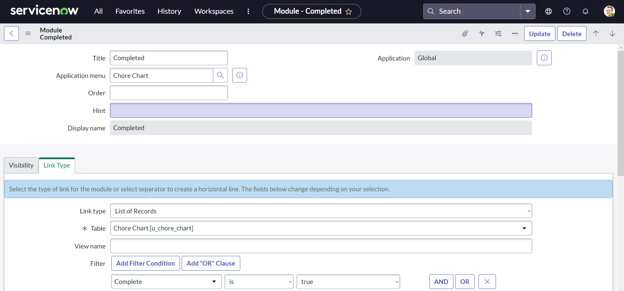
Name: | Steve Wilben R. Saceda | Exercise/Laboratory: | Lesson 4 ServiceNow Basics
Block/Section: | G2 | Date: | September 8, 2023
Github Repository Link:

1.a Create a table


1.b Table fields

1.c Chore Priority Choices
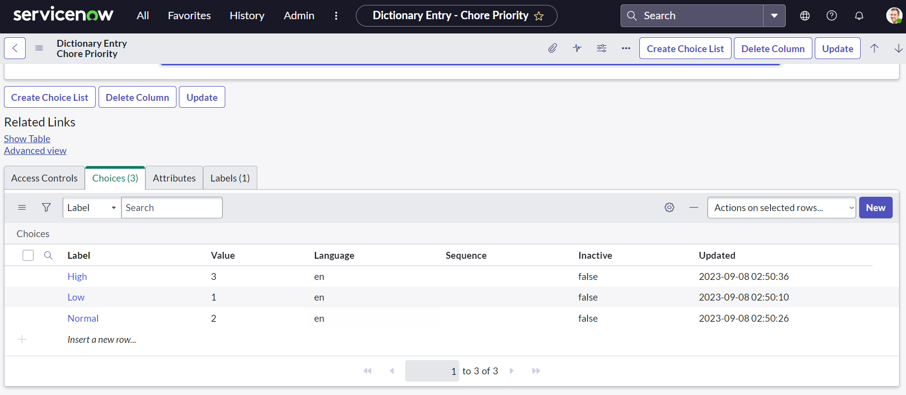

2.a Organize the list layout

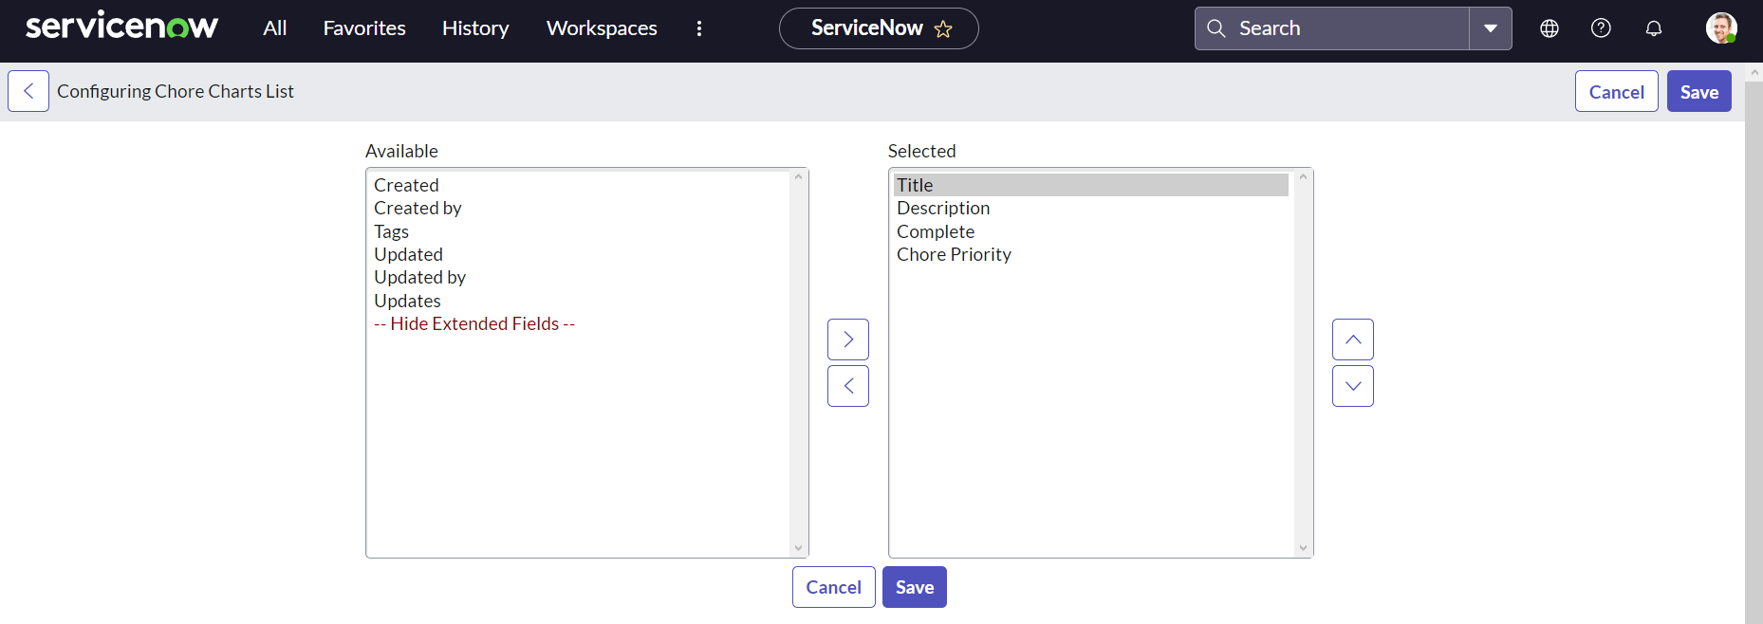

2.b Organize the form layout

3 Create New List Named "Detailed View"
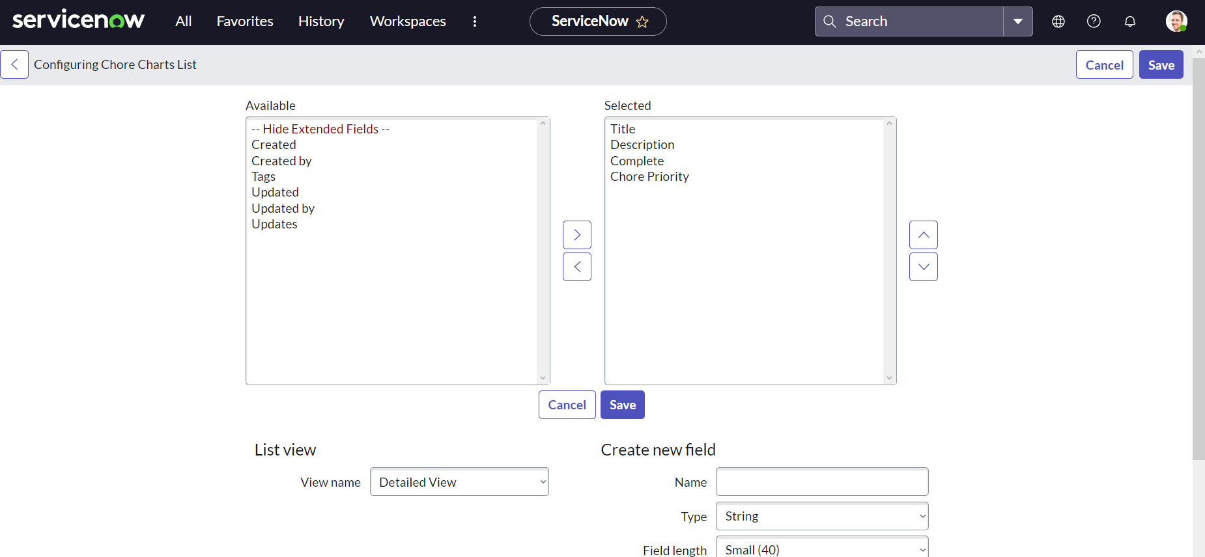

4 Organize Layout for Detailed View

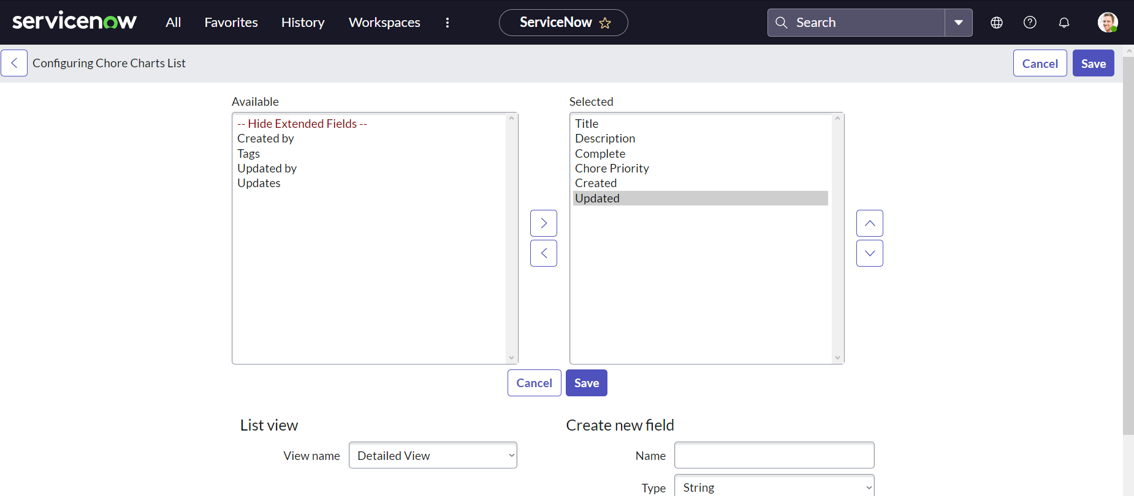

5 Create new Form Task View

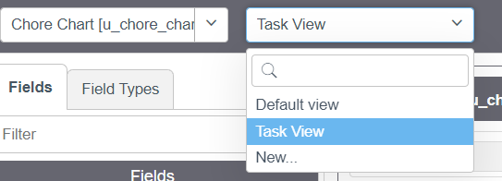

6 Organize Form layout of Task View

7a Create application module "Create New"
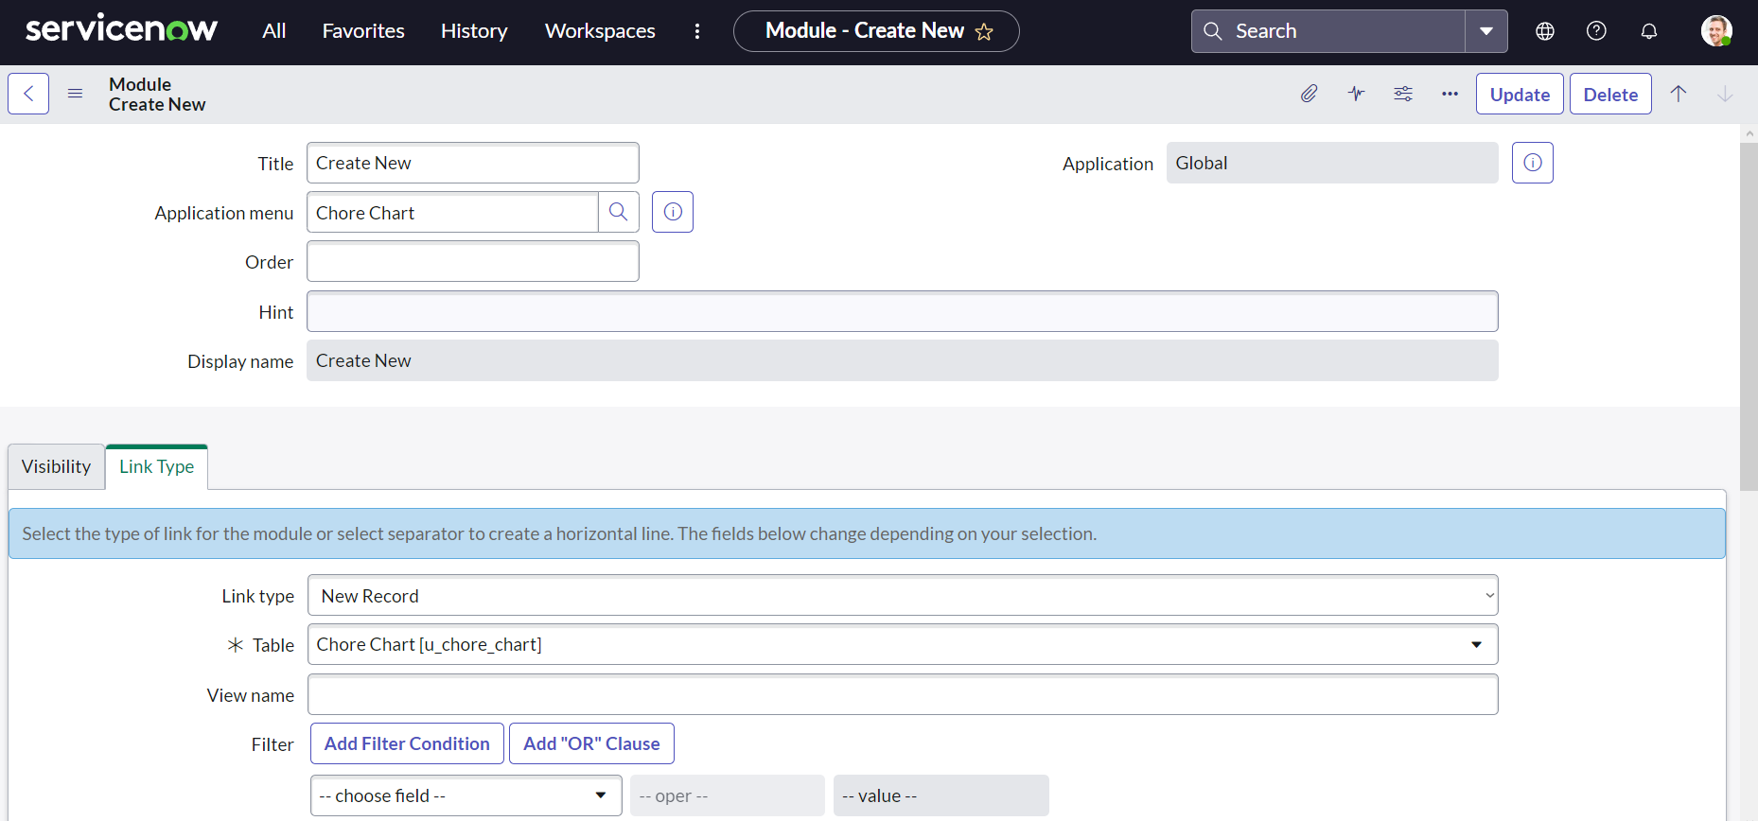

7b Create application module "All"
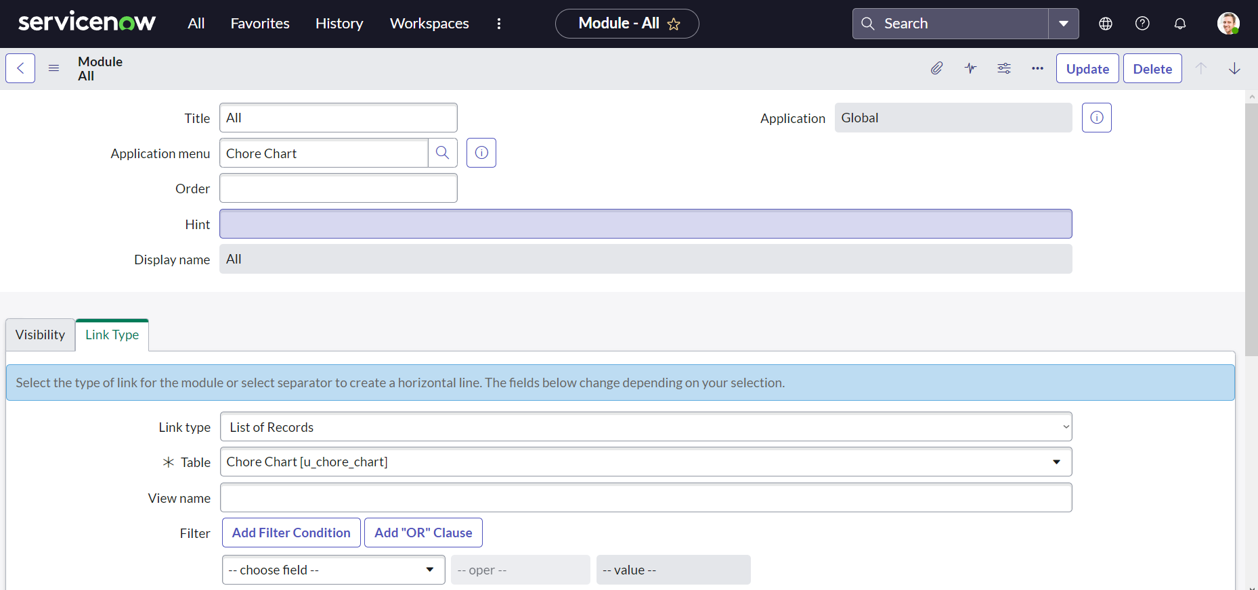

7c Create application module "High Priority"

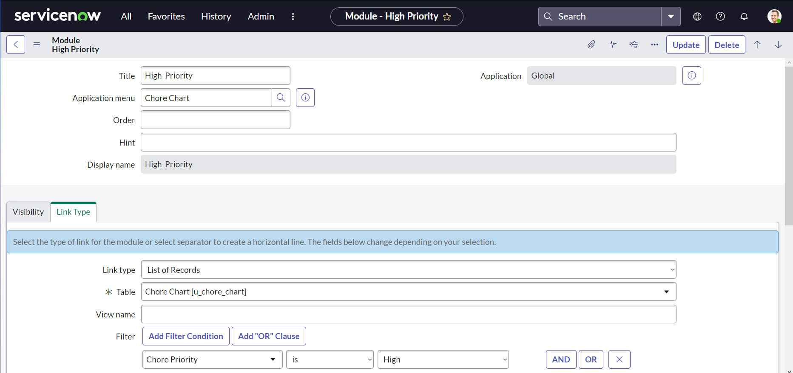

7d Create application module "Completed"

